70-IJ-61-0001
SWGR/MCC No. | Bus | Equipment Tag No. | Description | Service | Load Type | kV | Starter | Duty | 세로 막대형1 | Abs. kW \[A] | Rated kW \[B] | FLC (A) | PF | UF % | E kW / kVAr | F kW / kVAr | S kW / kVAr | Breaker
70-IJ-61-0001 | A | 70‑KA‑31‑1003 | Export Compressor – Main Motor | N | VSD‑HV | 11 | VVVF | C |  | 10,237 | 11000 | 613.615 | 0.97 | 100 | 10553.61 / 2644.98 | – | – | 1250 | VCB
70-IJ-61-0001 | B | 70‑KA‑31‑2003 | Export Compressor – Main Motor | N | VSD‑HV | 11 | VVVF | C |  | 10,237 | 11000 | 613.615 | 0.97 | 100 | 10553.61 / 2644.98 | – | – | 1250 | VCB
70-IJ-61-0001 | A | 70‑A‑20‑0002A (Main) | Condensate Recycle Booster Pump A | N | M‑HV | 11 | DOL | I |  | 539 | 720 | 46.799 | 0.85 | 30 | – | 170.21 / 105.49 | – | 630 | VCB
70-IJ-61-0001 | B | 70‑A‑20‑0002B (Main) | Condensate Recycle Booster Pump B | N | M‑HV | 11 | DOL | S |  | 539 | 720 | 46.799 | 0.85 | 10 | – | – | 56.74 / 35.16 | 630 | VCB
70-IJ-61-0001 | A | 70‑KA‑31‑1001/1002‑Main | Flash Gas Compressor – Main Motor | N | M‑HV | 11 | DOL | C |  | 1,044 | 1500 | 97.498 | 0.85 | 100 | 1098.95 / 681.07 | – | – | 630 | VCB
70-IJ-61-0001 | B | 70‑PA‑01‑0002 (Main) | Electric Firewater Pump Motor | N | M‑HV | 11 | DOL | I |  | 311 | 400 | 25.999 | 0.85 | 30 | – | 98.21 / 60.87 | – | 400 | VCB
70-IJ-61-0001 | A | 70‑UZ‑43‑0002 | 11/0.72 kV TR for MEG Reboiler (2×100%) | N | F (TR) | 11 | – | C |  | 3,100 | 3100 | 171.271 | 1 | 100 | 3263.16 / 0.00 | – | – | 630 | VCB
70-IJ-61-0001 | B | 70‑UZ‑43‑0002‑SP | 11/0.72 kV TR for MEG Reboiler – Spare | N | F (TR) | 11 | – | S |  | 3,100 | 3100 | 171.271 | 1 | 10 | – | – | 326.32 / 0.00 | 630 | VCB
70-IJ-61-0001 | B | 70‑HE‑35‑0001‑TR | 11/0.72 kV TR for Start‑up Gas Heater | N | F (TR) | 11 | – | I |  | 530 | 750 | 41.437 | 1 | 30 | – | 167.37 / 0.00 | – | 630 | VCS
70-IJ-61-0001 | A | 70‑IV‑61‑0001A | 11/0.72 kV TR Feeder A → 690V Normal (A) | N | F (Feeder) | 11 | – | C |  | – | – | — | – | – | 198.14 / 8.66 | – | – | 630 | VCB
70-IJ-61-0001 | B | 70‑IV‑61‑0001B | 11/0.72 kV TR Feeder B → 690V Normal (B) | N | F (Feeder) | 11 | – | C |  | – | – | — | – | – | 322.14 / 44.46 | – | – | 630 | VCB
70-IJ-61-0001 | A | 70‑IV‑61‑0003A | 11/0.72 kV TR Feeder A → 690V Normal (A) | N | F (Feeder) | 11 | – | C |  | – | – | — | – | – | 79.26 / 28.36 | – | – | 630 | VCB
70-IJ-61-0001 | B | 70‑IV‑61‑0003B | 11/0.72 kV TR Feeder B → 690V Normal (B) | N | F (Feeder) | 11 | – | C |  | – | – | — | – | – | 70.98 / 30.08 | – | – | 630 | VCS
70-IJ-61-0001 | A | 70‑IV‑61‑0002A | 11/0.42 kV TR Feeder A → 400V Normal (A) | N | F (Feeder) | 11 | – | C |  | – | – | — | – | – | 49.51 / 32.78 | – | – | 630 | VCB
70-IJ-61-0001 | B | 70‑IV‑61‑0002B | 11/0.42 kV TR Feeder B → 400V Normal (B) | N | F (Feeder) | 11 | – | C |  | – | – | — | – | – | 37.55 / 24.15 | – | – | 630 | VCB
 |  |  | Incomer 1 |  |  |  |  |  |  |  |  |  |  |  |  |  |  | 4000 | VCB
 |  |  | Incomer 2 |  |  |  |  |  |  |  |  | 4000 |  |  |  |  |  | 4000 | VCB
 |  |  | Bus Tie |  |  |  |  |  |  |  |  | 4000 |  |  |  |  |  | 4000 | VCB
 |  |  | Equipped Spare 1 |  |  |  |  |  |  |  |  | 630 |  |  |  |  |  | 630 | VCB
 |  |  | Equipped Spare 1 |  |  |  |  |  |  |  |  | 1250 |  |  |  |  |  | 1250 | VCB
 |  |  | Equipped Spare 2 |  |  |  |  |  |  |  |  | 630 |  |  |  |  |  | 400 | VCS

 |  | 24.56 |  |  |  |  |  |  |  |  |  |  |  |  | 362
 |  | 50.79

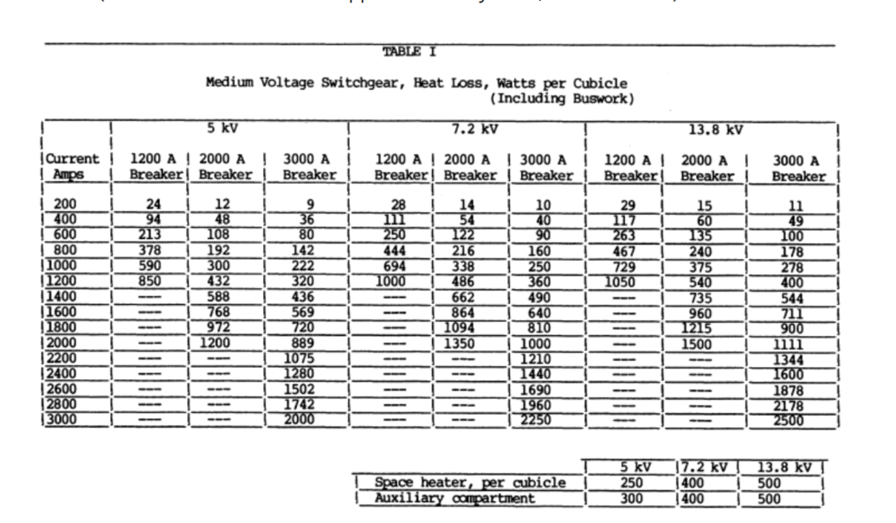

 |  |  |  |  |  |  |  |  |  |  |  |  | Calculation for 4000A Breaker by Interpolation
 |  |  |  |  |  |  |  |  |  |  |  |  | Given as per table:

 |  |  |  |  |  |  |  |  |  |  |  |  | Q4k | (4000/3000)^2 x 2500
 |  |  |  |  |  |  |  |  |  |  |  |  | Q4k | 4444.4444444
 |  | tr
 |  |  |  |  |  |  |  |  |  |  |  |  | Q630 | (630/1200)^2 x 250
 |  |  |  |  |  |  |  |  |  |  |  |  | Q630 | 68.90625

 |  |  |  |  |  |  |  |  |  |  |  |  |  |  |  |  |  | 0.20074349442

 | Bus | Equipment Tag No. | Description | Service | Load Type | kV | Starter | Duty | Abs. kW [A] | Rated kW [B] | Eff % | PF | UF % | E kW / kVAr | F kW / kVAr | S kW / kVAr
 | A | 70‑KA‑31‑1003 | Export Compressor – Main Motor | N | VSD‑HV | 11 | VVVF | C | 10,237 | 11,000 | 97 | 0.97 | 100 | 10553.61 / 2644.98 | – | –
 | B | 70‑KA‑31‑2003 | Export Compressor – Main Motor | N | VSD‑HV | 11 | VVVF | C | 10,237 | 11,000 | 97 | 0.97 | 100 | 10553.61 / 2644.98 | – | –
 | A | 70‑A‑20‑0002A (Main) | Condensate Recycle Booster Pump A | N | M‑HV | 11 | DOL | I | 539 | 720 | 95 | 0.85 | 30 | – | 170.21 / 105.49 | –
 | B | 70‑A‑20‑0002B (Main) | Condensate Recycle Booster Pump B | N | M‑HV | 11 | DOL | S | 539 | 720 | 95 | 0.85 | 10 | – | – | 56.74 / 35.16
 | A | 70‑KA‑31‑1001/1002‑Main | Flash Gas Compressor – Main Motor | N | M‑HV | 11 | DOL | C | 1,044 | 1,500 | 95 | 0.85 | 100 | 1098.95 / 681.07 | – | –
 | B | 70‑PA‑01‑0002 (Main) | Electric Firewater Pump Motor | N | M‑HV | 11 | DOL | I | 311 | 400 | 95 | 0.85 | 30 | – | 98.21 / 60.87 | –
 | A | 70‑UZ‑43‑0002 | 11/0.72 kV TR for MEG Reboiler (2×100%) | N | F (TR) | 11 | – | C | 3,100 | 3,100 | 95 | 1 | 100 | 3263.16 / 0.00 | – | –
 | B | 70‑UZ‑43‑0002‑SP | 11/0.72 kV TR for MEG Reboiler – Spare | N | F (TR) | 11 | – | S | 3,100 | 3,100 | 95 | 1 | 10 | – | – | 326.32 / 0.00
 | B | 70‑HE‑35‑0001‑TR | 11/0.72 kV TR for Start‑up Gas Heater | N | F (TR) | 11 | – | I | 530 | 750 | 95 | 1 | 30 | – | 167.37 / 0.00 | –
 | A | 70‑IV‑61‑0001A | 11/0.72 kV TR Feeder A → 690V Normal (A) | N | F (Feeder) | 11 | – | C | – | – | – | – | – | 198.14 / 8.66 | – | –
 | B | 70‑IV‑61‑0001B | 11/0.72 kV TR Feeder B → 690V Normal (B) | N | F (Feeder) | 11 | – | C | – | – | – | – | – | 322.14 / 44.46 | – | –
 | A | 70‑IV‑61‑0003A | 11/0.72 kV TR Feeder A → 690V Normal (A) | N | F (Feeder) | 11 | – | C | – | – | – | – | – | 79.26 / 28.36 | – | –
 | B | 70‑IV‑61‑0003B | 11/0.72 kV TR Feeder B → 690V Normal (B) | N | F (Feeder) | 11 | – | C | – | – | – | – | – | 70.98 / 30.08 | – | –
 | A | 70‑IV‑61‑0002A | 11/0.42 kV TR Feeder A → 400V Normal (A) | N | F (Feeder) | 11 | – | C | – | – | – | – | – | 49.51 / 32.78 | – | –
 | B | 70‑IV‑61‑0002B | 11/0.42 kV TR Feeder B → 400V Normal (B) | N | F (Feeder) | 11 | – | C | – | – | – | – | – | 37.55 / 24.15 | – | –

